Cod
Area 7.d - Cod - All Gears
 |  | Member States | Belgium | France | Ireland | The Netherlands | UK | Spain
 |  |  |  | 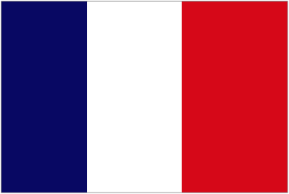 | 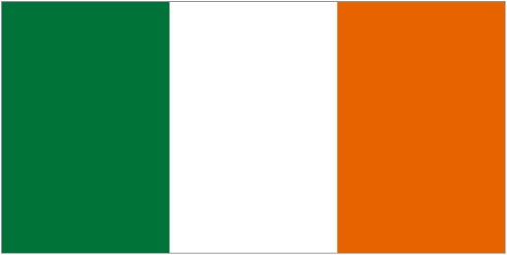 | 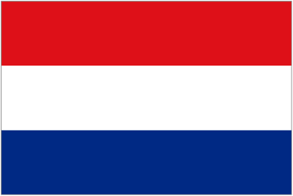 | 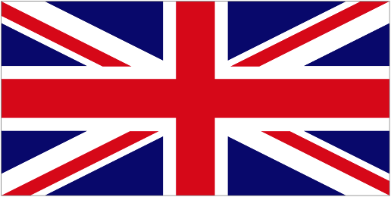 | 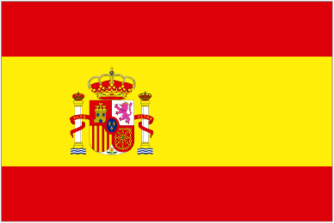
Union TAC for 2015 (t) |  | 1701
Union TAC + full uplift 21.67% (ICES discard rate 2015) |  | 2075

baseline | Initial quota share 2015 (%) |  | 4 | 84 | 0 | 3 | 9 | 0
 | Initial quota 2015 (t) |  | 73 | 1428 | 0 | 43 | 157 | 0
potential ammendments | Quota after swap (t) |  | 79 | 1568 | 0 | 48 | 169 | 0 | 1864
 | Quota 2015 + uplift 2015 (t) |  | 89 | 1742 | 0 | 52 | 192 | 0
STECF data | Reported landings 2015 (t) |  | 79 | 1133 | 0 | 53 | 162 | 0
 | Reported discards 2015 (t) |  | 0.1 | 15 | 0 | 0 | 19 | 0
 | Discard rates 2015 (%) |  | 0.1% | 1% |  | 0 | 11%
 | Total catch 2015 (t) | 1460 | 79 | 1147 | 0 | 53 | 181 | 0

effect swaps 2015 |  | Landing STECF / Initial quota | 1.08 | 0.79 |  | 1.23 | 1.03
 |  | Landing STECF / Quota after swap | 1.00 | 0.72 |  | 1.11 | 0.96
 |  | Catches STECF / Initial quota share | 1.08 | 0.80 |  | 1.23 | 1.15
 |  | Catches STECF / Quota after swap | 1.00 | 0.73 |  | 1.11 | 1.07
 |  | Estimated Surplus/Deficit by Member State | 0.88 | 0.66 |  | 1.01 | 0.94
 |  | Estimated Surplus/Deficit by Member State (t) | 10 | 595 | 0 | -1 | 11 | 0
Choke Category 2 (Regional) or 3 (Biological)? |  | NA | BYCATCH | BYCATCH |  | BYCATCH | BYCATCH
Indicate: |  |  | 86% Beam Trawl | 57% Bottom Trawls |  | 100% Bottom Trawls | 74% Gill/Trammel
- Mainly target, by-catch fisheries or both |  |  | 13% Bottom Trawls | 40% Gill/Trammel |  |  | 22% Bottom Trawls
- Main sources of unwanted catches |  |  | 1% Gillnet | 2% Pelagic Trawl |  |  | 3% Beam Trawls
Mitigation actions: |  |  |  |  |  |  |  |  | Would this action have an economic impact | Reason for using the action | Reason for not using the action | Responsibility*
 |  | Enter avoidance measure beyond existing measures that may reduce the unwanted catch of a species | "Y" for yes, "N" for no, "?" if unknown
Avoidance |  | Closed/Restriced Areas | ? | ? | NA | ? | ? | NA | Yes | Some measures have been planned by FR | Widely distributed and caught by many small boats | Regional Member States, individual vessels
 |  | Real Time Closures (for juveniles and/or spawning aggregations) | ? | N | NA | ? | ? | NA | No | RTCs for spawning aggregations would be possible | Difficult administratively | Regional Member States, individual vessels
 |  | Voluntary avoidance actions | ? | ? | NA | ? | ? | NA | No | Possible congregation in hotspots occur, sharing data to identify such hotspot could help fishermen to avoid these species | Uptake is limited due to the mixed fisheries | Individual vessels

 |  | Measures above regulatory requirements that may reduce the unwanted catch of a species | "Y" for yes, "N" for no, "?" if unknown
Selectivity |  | Size selectivity - Increasing codend mesh size | N | N | NA | N | N | NA | Yes | NA | Mesh size would have to be increased significantly leading to loss of marketable catch of other species, especially in the non quota species fisheries | -
 |  | - Escape panels | N | ? | NA | ? | ? | NA | Yes | Voluntary use of escape panels (extension of North Sea measures) | A negative impact as there would be a loss of marketable fish. | Regional Member States, individual vessels
 |  | Species Selectivity - Sorting devices | N | Y | NA | N | Y | NA | Yes | Possible in trawl fisheries |  | Regional Member States, individual vessels
 |  | - Trawl modifications e.g. cutaway trawls, raised footrope | N | ? | NA | ? | ? | NA | Yes | Possible in trawl fisheries e.g. raising fishing line |  | -
 |  | - Behavioural response | ? | ? | NA | ? | ? | NA | Yes | Ongoing studies with disruptive lights |  | Regional Member States, individual vessels

 |  |  | "Y" for yes, "N" for no, "?", "0" for 0-TAC, No "SBL" for stocks outside Safe Biological Limits
Quota |  | Swapping | NA | NA | NA | NA | NA | NA | NA | If the full top-up is granted, the quota is undertutilised | None | Regional Member States
 |  | Interspecies Flexibility | Y | Y | NA | Y | Y | NA | NA | Possible short-term fix in fisheries where cod is a by-catch | Complex in practice, transfer and trading agrangments need to be agreed | Regional Member States
 |  | Others Quota | N | N | NA | N | N | NA | NA | NA | Species to combine with are not essily identifiable | -
 |  | Bycatch quota | ? | ? | NA | ? | ? | NA | NA | Possible | Not likely to control fishing mortaility | European Commission, Council of Ministers
 |  | Remove TAC | N | N | NA | N | N | NA | NA | NA | Alternative management options are not essily identifiable | -
 |  | Inter area flexibility | Y | Y | NA | Y | Y | NA | NA | Flexibility between 7.d and 4 (assessed as same stock) | May shift the choke problem to area 4 | European Commission, Regional Member States
 |  | Merge TAC regions | ? | ? | NA | ? | ? | NA | NA | ICES advice includes areas 4 and Skagerrak. | May impact on relative stability | European Commission, Council of Ministers

 |  | Indicate how much relief exemptions will provide: | "Y" for yes, "N" for no, "?", "0" (0-TAC) or "Little" (Discard Rate >> DM) or "sufficient" (Discard Rate < DM)
Exemptions |  | High survival | N | N | NA | N | N | NA | NA | NA | Limited survival based on available information | -
 |  | de minimis (based on single TAC) | Y | Y | NA | Little | Little | NA | NA | Could work as in-year fix in bycatch-only fisheries | Does not solve problem of lack of quota | Regional Member States
 |  | de minimis (based on combined TACs) | N | N | NA | N | N | NA | NA | NA | Not obvious which species to combine cod with | -

General conclusions: |  |  | Discard rate may be underestimated, which may underestimate the risk of choking. Currently, perceived as a low risk species as the catches have decreased, except potentially for the UK inshore gillnet fleet which target cod at certain times of the year. Selectivity and avoidance measures have limited benefit for cod. Merging TAC or introducing inter-area flexibility between area 7.d and 4 may help to reduce the risk of choking in the future but could impact relative stability.

* Responsibility for this action :
 | Individual vessels
 | Producer Organisation (PO)
 | Member States: avoid chokes
 | Regional Member States
 | European Commission
 | Council of Ministers
 | Co-decision
 | Regional Member States
 | European Commission
 | Council of Ministers
 | Co-decision

